Instructions
Judicial AI Assessment Tool for Courts
I. Institutional readiness assessment

This workbook is designed to assist courts in assessing their state of readiness to implement crucial safeguards and institutional oversight mechanisms for AI adoption in the judiciary.
This assessment takes a broad view of how capable and equipped the institution is to regulate AI use/deployment and protect citizens' rights.

Rationale for this tool:
Before deployment of an AI tool, the court must assess whether the problem it seeks to address is clearly defined, and whether adequate regulatory frameworks, institutional capacity, infrastructure, data, and monitoring mechanisms are in place to support its safe and responsible use. This is necessary because AI adoption in the judiciary represents a fundamental shift in how courts process information, make decisions, and deliver justice. This framework enables courts to evaluate their readiness considering regulatory scaffolding, institutional infrastructure and knowledge base required to support AI use. In addition, foresight and planning can ensure AI serves the interests of justice.

Instructions:
The assessment tools may be used either when a single vendor is under consideration for a particular use case or when the court is choosing among multiple vendors. They are intended to help courts evaluate their institutional capacity, assess potential risks to rights arising from use of the AI tool, and identify mitigation strategies to be put in place by the vendor. We recommend courts begin with this institutional readiness assessment. Courts that score optimally, reflected in positive response to all essential questions a score of at least 60%, may proceed to the next step. If the score falls below this threshold, the court must remedy limitations before proceeding to the risk assessment. The risk assessment enables courts to classify the intensity of risk associated with the tool. The subsequent action should be calibrated accordingly. For low-risk tools, deployment may proceed with basic safeguards in place. Medium-risk tools should trigger non-negotiable assurances from vendors in the technical assessment. In the case of high-risk tools, we recommend that courts undertake the full technical assessment and proceed only in case of a reasonably high score (>=60%). In case of high risk with prohibition, courts should refrain from use AI, as the risks outweigh potential benefits. Finally, once AI is deployed and ready for adoption, the monitoring assessment tool provides supervisory questions to keep the AI system in check and mitigate harms over time.
Where possible, the tools should be filled up by designated staff with technical background/capabilities who report to High Court IT/Computer Committees
1. In the 'Qs for Courts' tab, provide answers to questions in all cells highlighted yellow or green
2. Yellow cells are set up to accept options from a dropdown and Green cells accept free-text answers.
3. Based on the selected answer, the red cells in the 'Score' column will be auto-calculated. This response will also appear in the summary table in the 'Summary' tab
4. The 'Relevance' columns provides an explanation of why this question should be answered by courts before engaging with AI

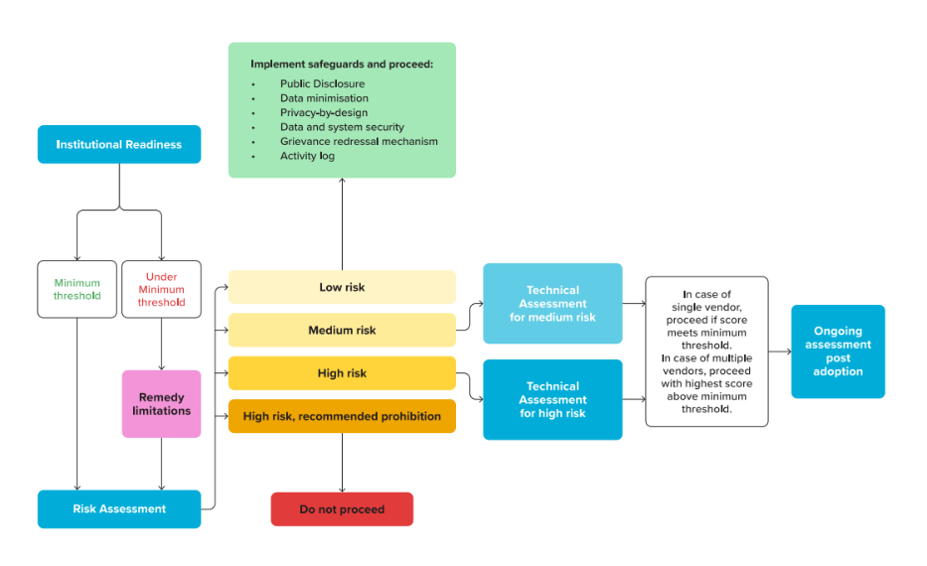
Themes in Assessment:
Theme | No. of questions (scoring & non-scoring) | No. of non-scoring questions
Project Definition | 4 | 2
Regulatory Framework | 2 | -
Institutional & in-house Capacity |  | -
Institutional Oversight | 3 | -
Training | 2 | -
Technical Infrastructure |  | -
Infrastructure | 1 | -
Data | 4 | 1
Performance metrics and Impact | 3 | 2

Total | 19 | 5

To access the full report on the UNDP website - click here or scan the QR code below:

